1. Title Page
Instacart Basket Analysis

Project Name: Instacart Grocery Basket Analysis
Date:
Analyst Name: Ruth Kassaye

Contents:
Population Flow
Consistency checks
Wrangling steps
Column derivations
Visualizations
Recommendations

2. Population Flow
Title page

Population flow

Exclusion flag
Condition: max_order < 5
Obervations to be removed:
Final total count of order_products_all: 32,404,859

Orders_products_combined
Orders_products_merged
Orders_products_all

Total: 32,404,859
Total: 32,434,489
Total: 32,404,859

1.) The grey boxes in the first row of the population flow represent the original data sets as they were when you downloaded them. In the Total fields you need to add the count of the rows when you imported the data set into Jupyter.
2.) The second row of boxes (coloured) represents the data sets after you manipulated them, e.g., removed missing values and duplicates. In the Total fields you need to add the count of the rows after conducting these operations. This offers a visual oveview of how the data flows throughout the data consistency checks.
3.) The third row, where also the arrows are coloured, represents the merges you performed between the datasets. In the Total fields you need to add the count of the rows in the merged datasets, so that you end up with the final dataset (in the red box). Keep in mind the final dataset should be without exclusions (based on the exclusion flag).

3. Consistency checks
 |  |  |  | Title page
Consistency checks

Dataset | Missing values | Missing values treatment | Duplicates
orders | days_since_prior_order column has 206,209 missing values | The dataset is not normally-distributed, rather it is left skewed distribution (median>mean). Hence, I have considered to take the median value, i.e., 7, for data imputation. | No duplicate value is found.
products | 16 (product_name column) | The missing values are string data types. Hence, I filtered out the ones that aren’t missing into a subset dataframe | 5 duplicated records
products | 5,127 rows (prices column) | 5,127 rows are outliers. For this project they are replaced with missing (NaNs) values
customers | 11,259 rows (first_name) | I kept the missing values as still I have their last names and usser_id. My client can identify them. Afterall they still have other valuable data | first_name
departments | none, but dataframe has a set columns for missing values | N/A | 0

4. Wrangling steps
 |  |  |  | Title page
Wrangling steps

Columns dropped | Columns renamed | Columns' type changed | Comment/Reason
 |  | user_id and and order_id from Numeric to String | user_id and and order_id variables don’t represent real numeric values, rather, keys related to specific orders and users. Hence, no need to calculate statistics for them.
 | order_dow (orders.csv data set) |  | Changed to order_dow to days of the week. The former order_dow not the most self-explanatory
eval_set (from orders.csv data set) |  |  | It has prior data set released by Instacart. This makes it a bit irrelevant for your purposes
 | first_name (customers.csv) |  | consistency
 | surname(customers.csv) |  | consistency
 | gender (customers.csv) |  | consistency
 | state (customers.csv) |  | consistency
 | age (customers.csv) | age | consistency
 | date_joined (customers.csv) |  | consistency
 | n_dependents (customers.csv) |  | consistency
 | fam_status (customers.csv) |  | consistency
 | income (customers.csv) |  | consistency
 |  | first_name - to String

5. Column derivations
 |  |  |  | Title page

Column derivations and aggregations

In this tab you should add tables below that the frequences of flags/label variables that you produced after deriving them. NB: don't do this for continuous variables, only for flags.
Dataset | New column | Column/s it was derived from | Conditions
orders_products_merged.pkl | price_range_loc | prices | If price <= $5, then "low-range product" If price >$5 & <= $15, then "mid-range product" If price >$15, then “high-range product.”
orders_products_merged.pkl | busiest_day | orders_day_of_week | If day 0, then "Busiest day" If day 4, then "Least busy" If else, then "Regularly busy"
orders_products_merged.pkl | busiest_days | orders_day_of_week | If day 0 or 1, then "Busiest days" If day 3 or 4, then "Slowest days" If else, then "Regularly busy"
orders_products_merged.pkl | busiest_period_of_day | order_hour_of_day | If order hour btween 9 and 16, then "Most orders" If order hour between 23 and 6, then "Fewest orders" If else, then "Average orders"
orders_products_merged_columns_added.pkl | max_order | order_number | Calculating the maximum orders for each user
orders_products_merged_columns_added.pkl | loyalty_flag | max_order | If max_order > 40, then "Loyal customer" If max_order >10 but <= 40, then "Regular customer" If max_order <=10, then "New customer"
orders_products_merged_columns_added.pkl | mean_price | prices | Calculating the mean of each product price
orders_products_merged_columns_added.pkl | spender_flag | mean_price | If mean_price <10, then "Low spender" If mean_price >=, then "High spender"
orders_products_merged_columns_added.pkl | median_days_since_prior_order | days_since_prior_order | Calculating the median of each number of days since prior order
orders_products_merged_columns_added.pkl | frequency_flag | median_days_since_prior_order | If median >20, then "Non-frequent customer" If median >10 & <=20, then "Regular customer" If median <=10, then "Frequent customer"
ords_prods_custs | Region | State | region1 = ['Maine', 'New Hampshire', 'Vermont', 'Massachusetts', 'Rhode Island', 'Connecticut', 'New York', 'Pennsylvania', 'New Jersey']
 |  |  | region2 = ['Wisconsin', 'Michigan', 'Illinois', 'Indiana', 'Ohio', 'North Dakota', 'South Dakota', 'Nebraska', 'Kansas', 'Minnesota', 'Iowa', 'Missouri']
 |  |  | region3 = ['Delaware', 'Maryland', 'District of Columbia', 'Virginia', 'West Virginia', 'North Carolina', 'South Carolina', 'Georgia', 'Florida', 'Kentucky', 'Tennessee', 'Mississippi', 'Alabama', 'Oklahoma', 'Texas', 'Arkansas', 'Louisiana']
 |  |  | region4 = ['Idaho', 'Montana', 'Wyoming', 'Nevada', 'Utah', 'Colorado', 'Arizona', 'New Mexico', 'Alaska', 'Washington', 'Oregon', 'California', 'Hawaii']
ords_prods_custs | activity_flag | max_order' | If 'max_order' <= 5, then 'Low Activity'; If 'max_order' >5, then 'High Activity'
ords_prods_custs_normal | age_group | age
ords_prods_custs_normal | income_group | income | - Customers salary less than 100,000 = low income - Customers salary between 100,000 - 200,000 = middle income - Customers salary between 200,000 - 400,000 = upper middle income - Customers salary between >400,000 = high income
ords_prods_custs_normal | department | department_id | mapping where department is equal with department_id
ords_prods_custs_normal | baby_status | department | Where department is equal with babies
ords_prods_custs_normal | frozen_status | department | Where department is equal with frozen
ords_prods_custs_normal | household_size | n_dependants | - n_dependants = 0, single household - n_dependants between 1-2, small household - n_dependants between 2-3, large household

6. Visualizations
 |  |  |  |  |  |  | Title page

Visualisations

In this tab you should include all the visualtions from Exercises 4.9 and 4.10, alongside the questions from the project brief that they answer. Include any commentary on the relationship between different variables.

The sales team needs to know what the busiest days of the week and hours of the days are in order to schedule ads at times where there are fewer orders.
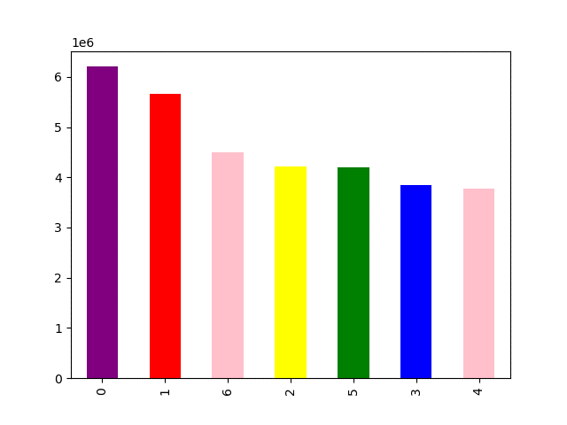
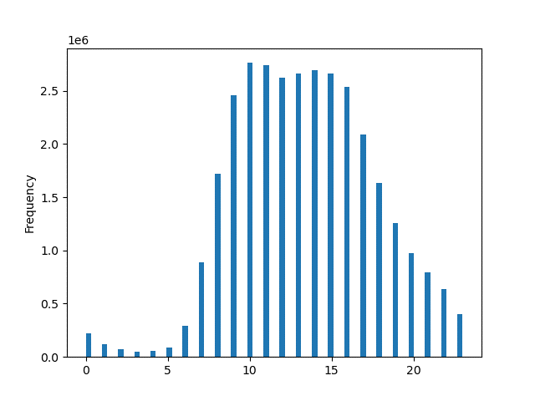

 | Saturday is the most busiest day of the week, meaning it is the day with the most money spent. This makes sense as people usually stock up on things over the weekend. |  | The histogram shows that most of the orders come in between 10-16 o'clock (10am-4pm). Starting from 7 o'clock onwards orders start to rise up and reamin high until 15 o'clock (3pm). After 3pm, they start to decline. And during 0-6 o'clock (mid-night to 6am) orders reach the most minimum record. As we can see from the histogram above, the distribution is skewed to the right, i.e., mean 1.34 > median 1.3.

They also want to know whether there are particular times of the day when people spend the most money, as this might inform the type of products they advertise at these times.

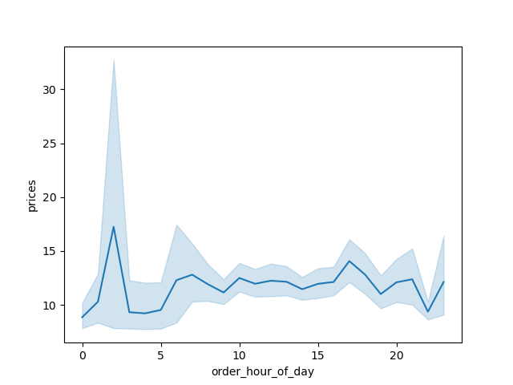

 |  |  |  |  | - The small sample line chart shows that that price gets higher around 2:30 o'clock and expereinces a steep fall until it reaches 5 o'clock. After 5 o'clock the prices starts to rise.

 |  |  |  |  | - Price remains stable between 10 o'clock and 15 o'clock.

What's the distribution of orders among customers in terms of loyalty?

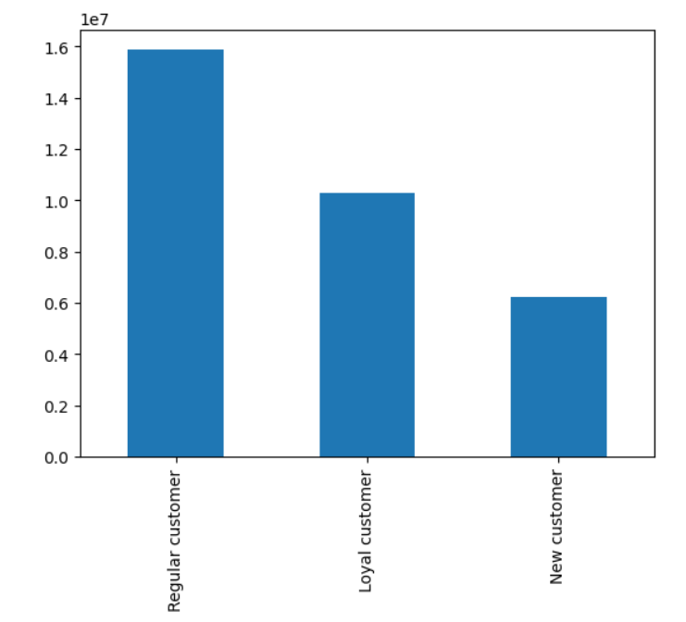
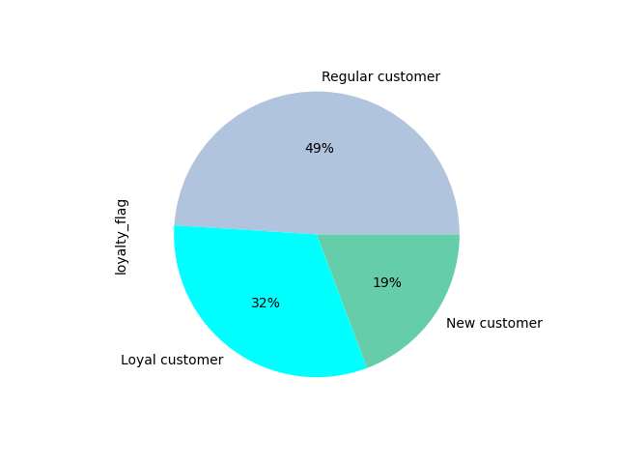

 | Almost half of the customers (49%) are regular customers than loyal customers.

 | 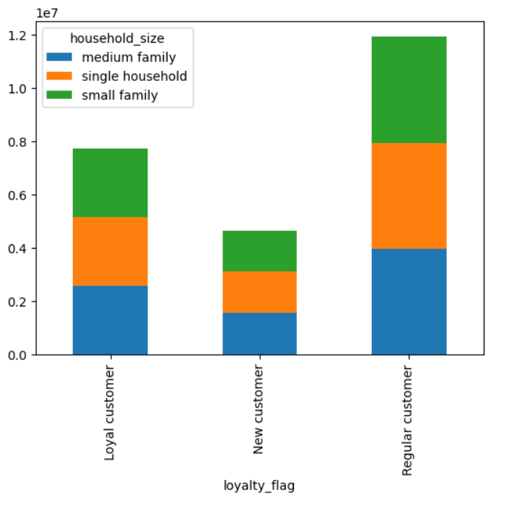 |  |  | Most of regular customers are middle family size (having 2-3 number of dependants). Single households are also more loyal customers compared to other groups of customers.
 | 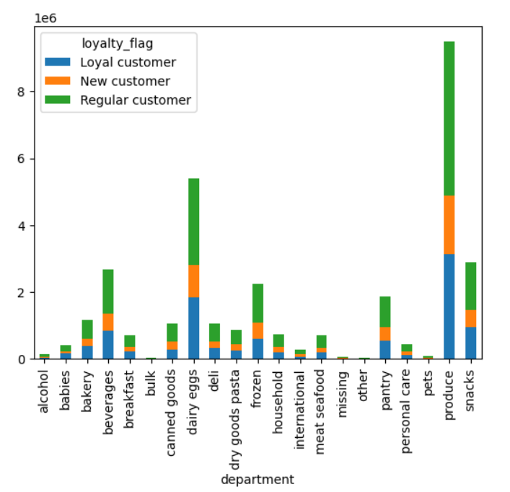 |  |  |  | No differences in ordering habits of specific products based on customers' loyalty status. All customers purchase more of products from produce department followed by dairy/eggs, snacks, beverages and frozen.
 | 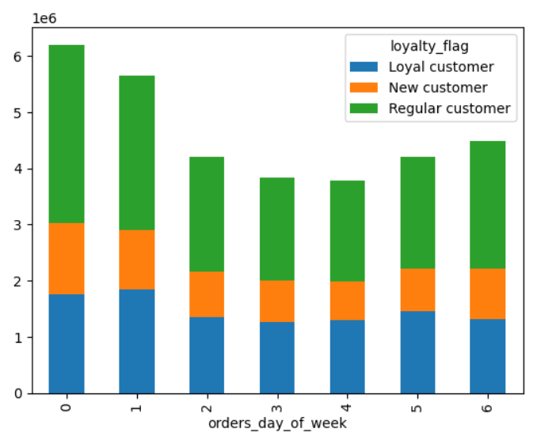
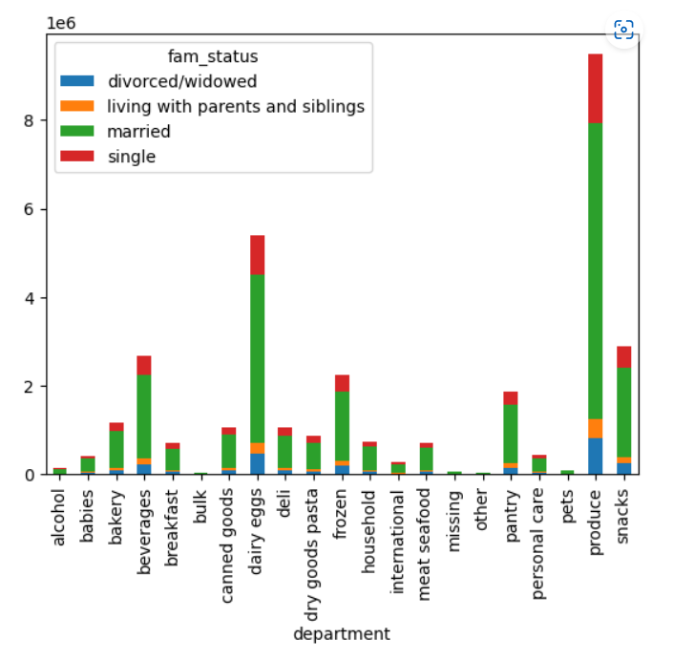 |  |  |  |  |  | Married customers purchase the most all products acrosss all department followed by single, living with parents and siblings customers respectively. Most of the missing products type are purchased by married customers. All customers regardless of their marital status purchase mostly products from produce, snacks, dairy/eggs, beverage products. The least products they purchase are from bulk, missing and other departments.

Are there differences in ordering habits based on a customer's region?

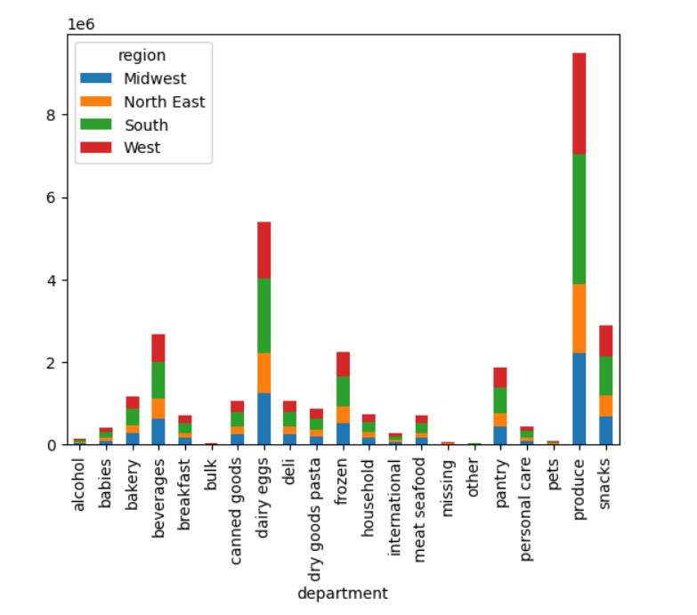 |  |  | For all the top 5 departments, i.e., produce, dairy eggs, snacks, beverages, frozen with the highest sales records, most of the customers are from the South region followed by West, Midwest and North East. Customers from Southern region order the most for all of the department items! Bulk, Pets and Alcohol departments have the lowest customers number. The South has the most purchases from the 'missing' category hence, it is good to find what these missing items are as they should be advertised more in the South.
Explore whether there is a connection between age and spending power using a scatterplot.



 |  |  |  |  | The correlation result of the two variable is 0.4. This means that there a moderate relationship. Meaning as the customer age increases the salary (income) also increases.

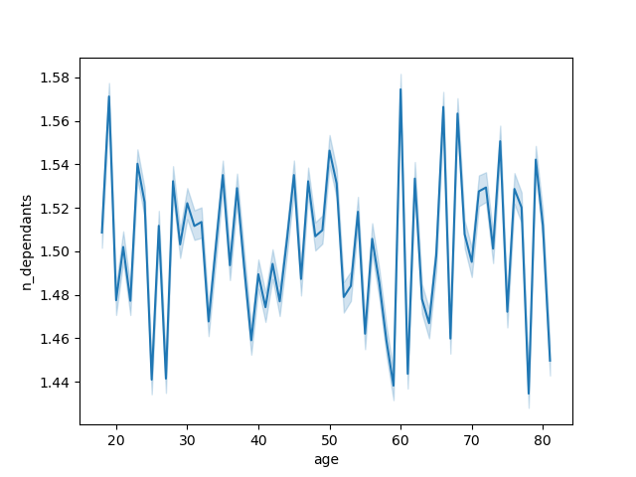
Determine whether there's a connection between age and family situations be creating a line chart exploring the connections between age and number of dependants.

 |  | There is no clear correlation between customer age and number of dependants.

Show the distribution of profiles (for a created profile variable, as per the direction in task 10)

Customers age group by region
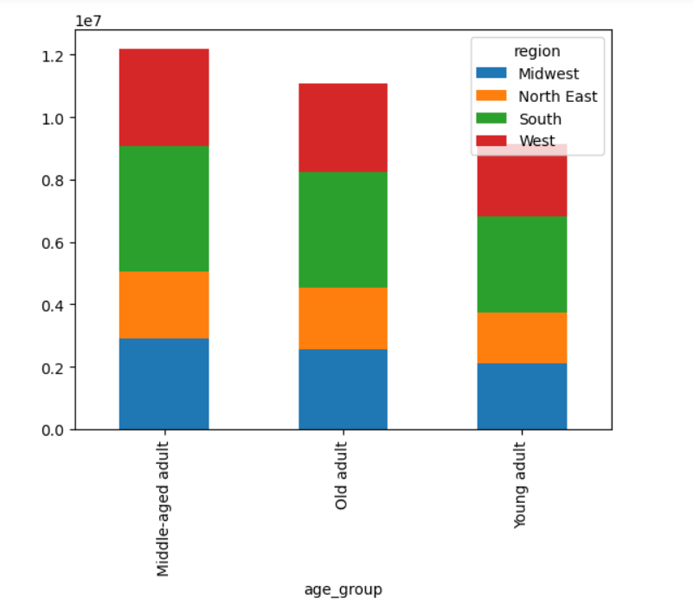

 |  | Customer age groups are proportional across regions. However, the South region happened to have relatively more number of customers for all the age groups.

Customers age group by department

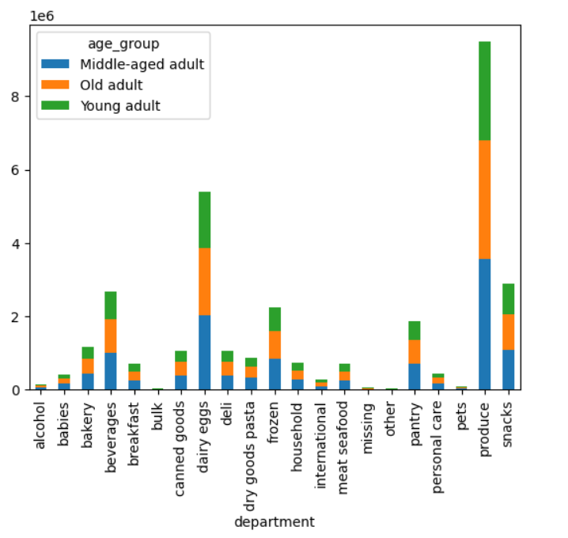 |  |  |  | The bar chart shows that the produce department has registered the highest sale across all age groups followed by dairy eggs, snacks and beverages departments respectively. - Most of customers for produce and dairy eggs departments are middle-aged adults followed by old adults and young adults. - Most of the customers for the beverages department are middle-aged adults followed by young adults and old adults.
 | Customers age income group by region

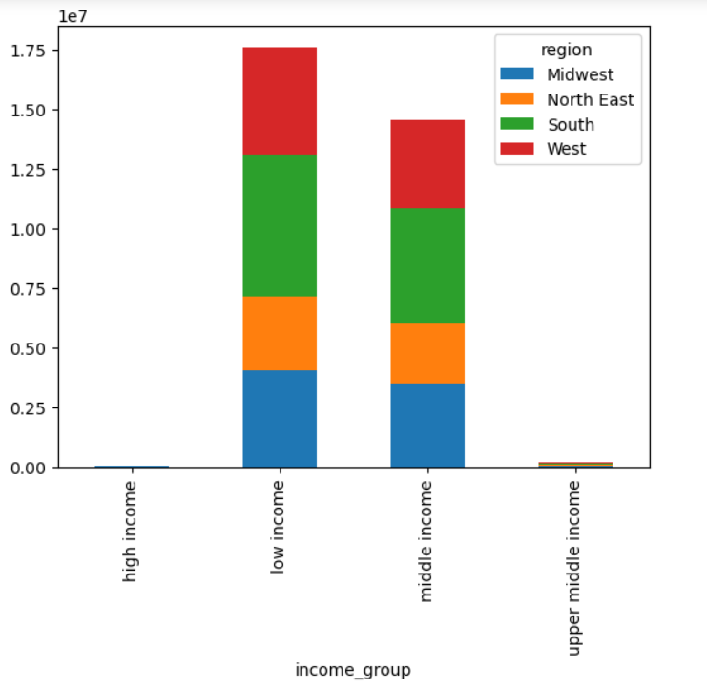

 |  |  |  | The bar chart shows that customers from the Southern regions dominates both in the low income and middle income customers group followed by customers from West , Midwest and North East regions respectively.

 | Customers' household size by region

 | 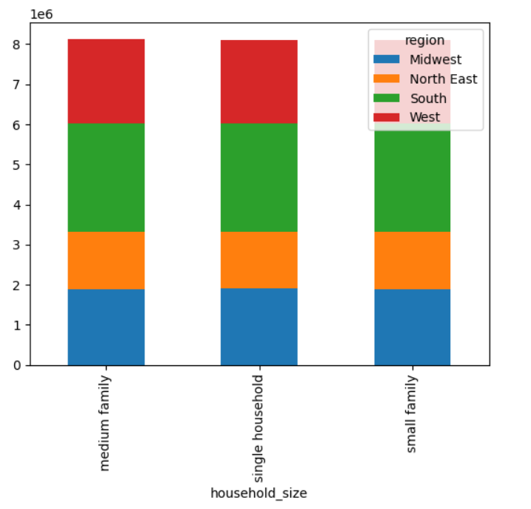 |  |  | Most of customers in South region are medium family, small family and single household respectively Most of the customers in West and Midwest regions are medium family, single household and small family respectively Most of customers in the North East region are single household, small family and medium family respectively
 | Customers' household size by department
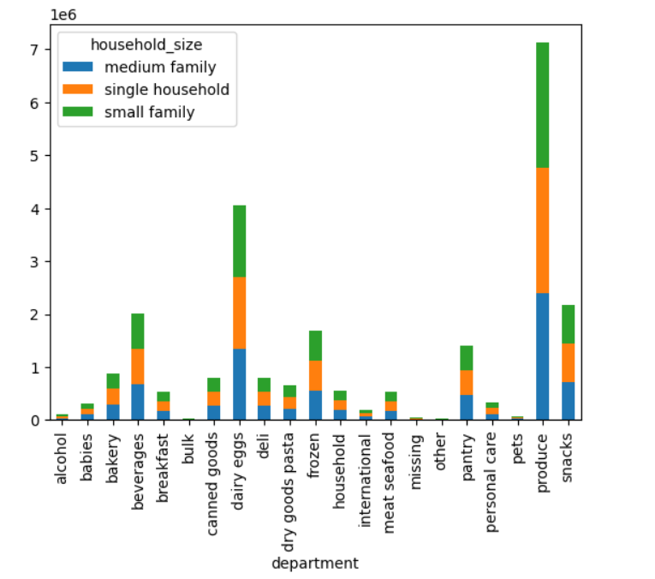 |  |  |  | Produce department: most of customers are single households followed by small families and medium families Dairy eggs department: most of customers are medium families followed by single households and small families Snacks department: most of customers are small families followed by medium families and single households Bulk, Pets and Alcohol departments have the lowest customers number.

7. Recommendations
 |  |  | Title page

Recommendations

In this tab you should include any recommendations you would made to Instcart in terms of their marketing strategy based on the questions posed in the brief. Every key question has been covered in the Tasks of the Exercises - here you need to add an item - a visualisation or table/crosstable that is showing the answer in the data, acompanied by a comment from you. Please, list the questions below and add the answer underneath.

No. | Question | Answer
1 | The sales team needs to know what the busiest days of the week and hours of the day are (i.e., the days and times with the most orders) in order to schedule ads at times when there are fewer orders. | Saturday is the busiest day and Wednesday is the least busy. The busiest hours of the day are between 9-10am, while the least busy are between 2-5am. Wedneday would be a good day to schedule ads, however, schedule ads between 2-5am is unlikely to help as most people are sleeping during this period. Recommend schedules ads after 3pm, when orders begin to decline, but people are still awake. Please see the bar chart for more.
Please see for more visualization ='6. Visualizations'!G22
2 | They also want to know whether there are particular times of the day when people spend the most money, as this might inform the type of products they advertise at these times. | Customers spend most of their money between 9-10am. It is good to note that customers keep spending until 3pm. And during 0-6 o'clock (mid-night to 6am) orders reach the most minimum record. After 6am, there is a sharp increase of customer spending habit.
Please see for more visualization here ='6. Visualizations'!G22
3 | 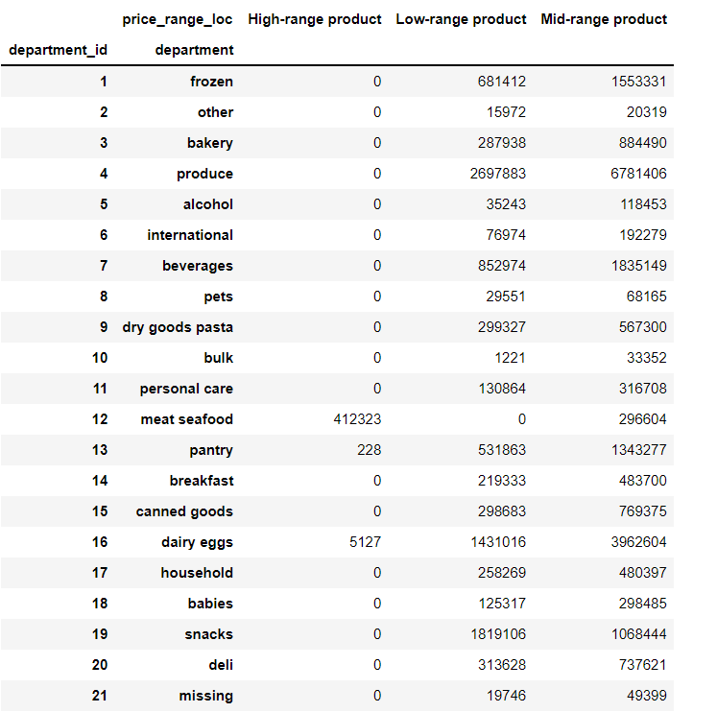 Instacart has a lot of products with different price tags. Marketing and sales want to use simpler price range groupings to help direct their efforts. | The price_range_loc column groups each department's products into three price categories: High range, mid range, and low range. The highest range products are in the meat/ seafood and dairy eggs departments. Meat/seafood department is only in the high range and mid price range category. The produce and dairy eggs departments have the highest amount of both mid range and low range products.
4 | 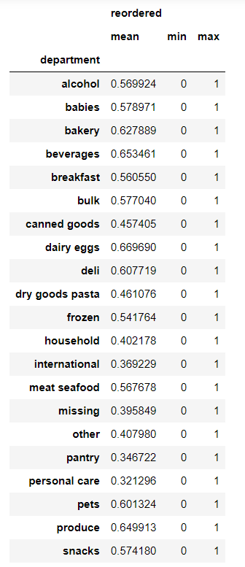 Are there certain types of products that are more popular than others? The marketing and sales teams want to know which departments have the highest frequency of product orders | Dairy/eggs department is reordered the most on average, followed by beverages, produce, bakery, and deli. The least reordered products are personal care, pantry and international.
6 | What’s the distribution among users in regards to their brand loyalty (i.e., how often do they return to Instacart)? | 49% of customers are regular customers, who made order between 10 and 40. Loyal customers , who made over 40 orders, share 32% of the total customers. And new customers with order less than or equal to 10, make up less than 20% of the total customers.
Please see for more visualization ='6. Visualizations'!G22
7 | Are there differences in ordering habits based on a customer’s loyalty status? | While overall Saturday is the busiest day, loyal customers tend to spend more money on Sunday than Saturday. No differences in ordering habits of specific products based on customers' loyalty status. All customers purchase more of products from produce department followed by dairy/eggs, snacks, beverages and frozen. Regular customers purcase all price levels of products, i.e., high rang products, mid range products and low range of products followed by loyal and new customers.
Please see for more visualization ='6. Visualizations'!G22
Please see for more visualization='7. Recommendations'!M93
8 | Are there differences in ordering habits based on a customer’s region? | For all the top 5 departments, i.e., produce, dairy eggs, snacks, beverages, frozen with the highest sales records, most of the customers are from the South region followed by West, Midwest and North East. Customers from Southern region order the most for all of the department items! Bulk, Pets and Alcohol departments have the lowest customers number. The South has the most purchases from the 'missing' category hence, it is good to find what these missing items are as they should be advertised more in the South.
Please see for more visualization='6. Visualizations'!K101
9 | Is there a connection between age and family status in terms of ordering habits? | Married customers purchase the most all products acrosss all department followed by single, living with parents and siblings customers respectively. However, there is no difference between family status and ordering habit. All customers regardless of their marital status purchase mostly products from produce, snacks, dairy/eggs, beverage products. The least products they purchase are from bulk, missing and other departments. Most of the missing products type are purchased by married customers.
10 | What different classifications does the demographic information suggest? Age? Income? Certain types of goods? Family status? | There a moderate relationship between customers' age and income. Meaning as the customer age increases the salary (income) also increases.
 | Please see here for more visualization='6. Visualizations'!A102
11 | What differences can you find in ordering habits of different customer profiles? Consider the price of orders, the frequency of orders, the products customers are ordering, and anything else you can think of. | While regular customers shares the largest number of customers, i.e., around 15.87 million, these customers order less frequently. Around 58% of them frequently order products. On the other hand, loyal customers, who are around 10.284 million, order more freqeuntly. Around 73% of them frequently order products. There is also positive correlation between income and age, hence more purchasing power for older adults.

